Sheet1
HEALTH & BEAUTY PRODUCTS
IMAGE | DESCRIPTION | QTY | UNITS PER CARTON | RRP | Line RRP | BARCODE | LINK
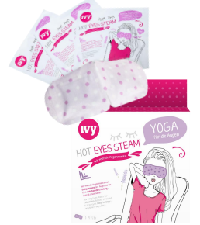 | HOT EYES STEAM. 3 PACK, WARMING EYE MASKS. NO BARCODE | 23,000 | 10 | £4.99 | £114,770.00 | NO BARCODE | http://hoteyessteam.com/en/shop/hot-eyes-steam-warming-eye-mask/
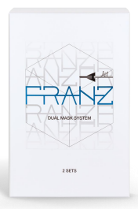 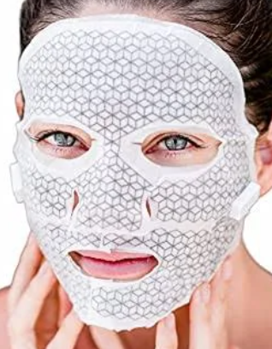 | FRANZ DUAL MASK SYSTEM. 2 PACK | 16,200 | 40 | £39.99 | £647,838.00 | 8809523400111 | https://www.amazon.co.uk/FRANZ-Jet-Dual-Mask-System/dp/B07C4WV436
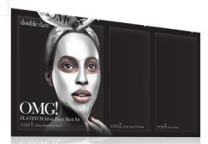 | OMG PLATINUM SILVER FACEMASK | 1,659 | 200 | £11.99 | £19,891.41 | 812772011890 | https://klipshop.co.uk/omg-platinum-silver-facial-mask-kit?combination=23183
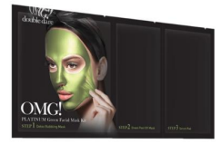 | OMG PLATINUM GREEN FACEMASK | 2,225 | 200 | £11.99 | £26,677.75 | 812772011852 | https://klipshop.co.uk/omg-platinum-silver-facial-mask-kit?combination=23183
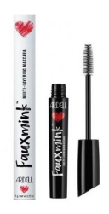 | ARDELL FAUX MINK MULTI LAYERING MASCARA | 13,262 | 72 | £8.99 | £119,225.38 | 74764052964 | https://afterbeauty.com/collections/mascara/products/mascara-faux-mink
 |  | 56,346 |  |  | £928,402.54

